User_Story
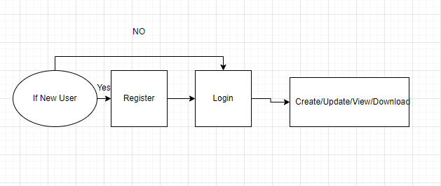
 |  |  | Team Genesis - Profile Management Project

 |  |  | User Stories

User story id | User | S.no | Action | Benefits | Acceptance criteria
1 | Profile Creator | 1 | I should be able to login | So I can enter the home page
 |  | 2 | I should be able to create my profile | So I can view my profile | A user has to fill all the mandatory fields(Personal details,Education details,Project Details,skills)of profile to subm Status of approval should be viewed by the user
 |  | 3 | I should be able to update my profile | So I can see the updated information | Existing profile should be view Updated profile must be viewed in organisation's template Status of approval should be shown by the user
 |  | 4 | I should be able to export my profile | So I can have a copy of my profile in organization's template | I should able to download and view the profile in organisation's template
 |  | 5 | I should be able to share my profile | So i can send my profile to anyone | I can share my profile to anyone through e-mail only when share feature is given
 |  | 6 | I should be able to logout | So I can exit from the system

2 | Profile Searcher | 1 | I should be able to login(reused) | So I can enter the home page
 |  | 2 | I should be able to search and view profiles of employee under me | So I can view the particular profiles based on the filters applied
 |  | 3 | I should be able to request for updation of profile when it isn't updated for 3months | So I can get an updated profile | I should be able to see the request update button if it exceeds 3 months
 |  | 4 | I should be able to export the profile of person I've searched | So I can have a copy of the required person's profile | I should able to download and view the profile in organisation's template
 |  | 5 | I should be able to apply different filters while searching(Experience,College,Role,Domain,Technology,Project) | So it makes the search easier | I can view the selected profile
 |  | 6 | I should be able to view previously updated profile | So I can see the versioning of profile | History of updated profiles should be available in the system.
 |  | 7 | I should be able to share my profile | So i can send my profile to anyone | I can share my profile to anyone through e-mail only when share feature is given
 |  | 8 | I should be able to approve user profile(reporting user) | So other can see the user profile | Reporting person should able to accept or reject the user profile
 |  | 9 | I should be able to logout(reused) to | So I can exit form the system
 |  | 10
3 | Admin | 1 | I should be able to login(reused) | So I can enter the home page
 |  | 2 | I should be able to permit/deny access to user to see others profile | So I can maintain the hierarchy based profile access
 |  | 3 | I should be able to view/update master data | So I can maintain the data upto date | Admin should have the privilege to add or change the master data(Designation,College,Experience,Technology)
 |  | 4 | I should be able to add HR Partner | So they will register new user | I should able to assign HR for user registeration
 |  | 5 | I should be able to view/delete user | So I can maintain user list
 |  | 6 | I should be able to logout(reused) | So I can exit form the system

4 | HR Partner | 1 | I should be able to login(reused) | So I can enter the home page
 |  | 2 | I should be able to register new user | So user can enter the system | I should fill all the mandatory fields while registering new user (Name,E-mail id,Phonenumber,Department,Designation,Password)
 |  | 3 | I should be able to assign reporting person to user | So They can approves user profile | I should able to assign reporting person
 |  | 4 | I should be able to logout(reused) | So I can exit form the system

Entity
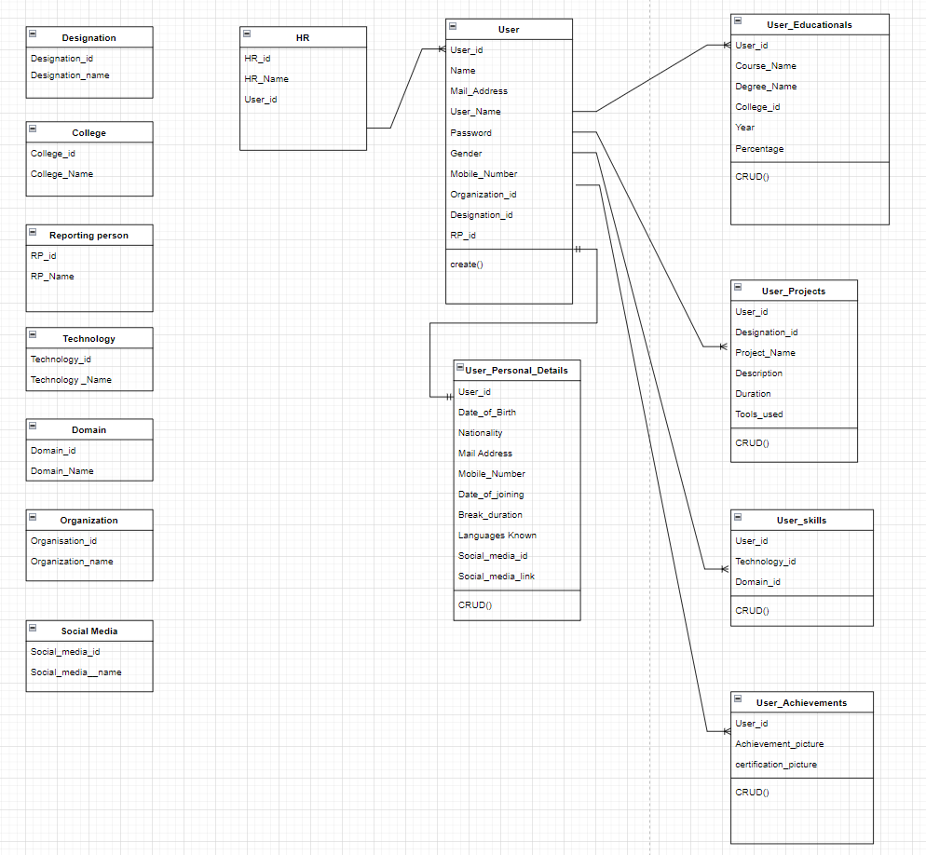
Entity model

Updated_Entity
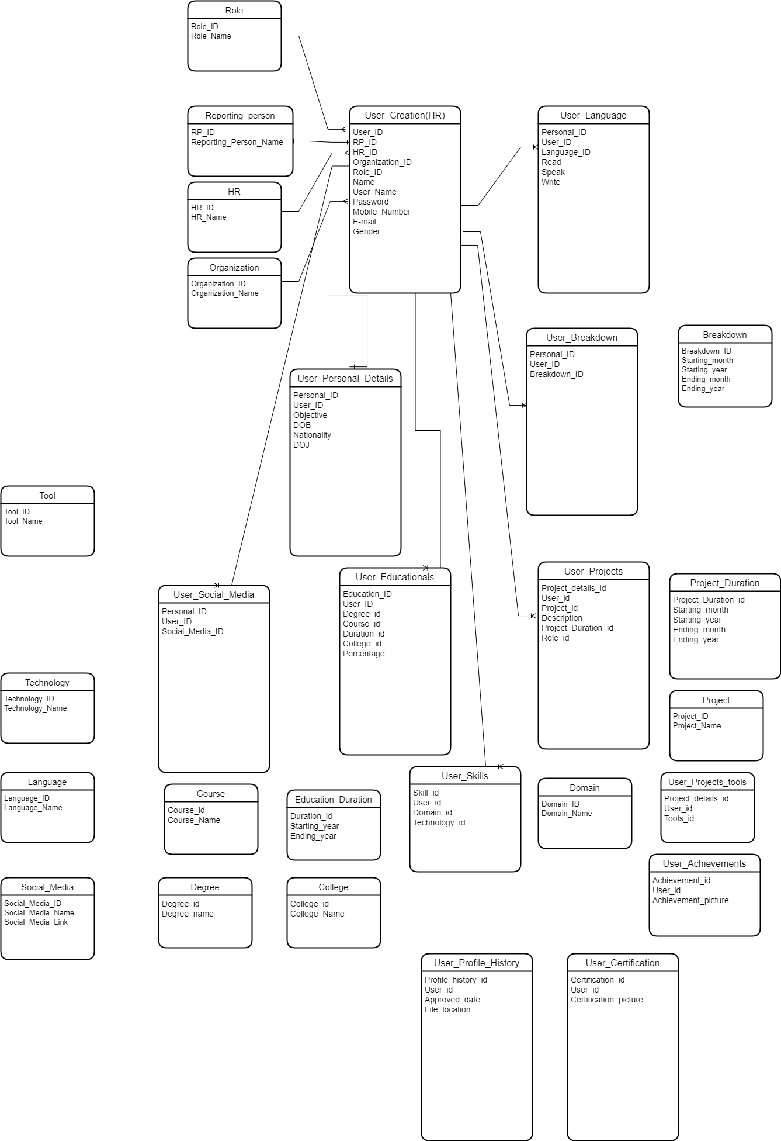

Work_flow
 |  | Work Flow

Profile Creator

 | Profile create

Register
Login
Create
Logout
View

 | Profile view

Login
View
Logout

 | Profile Update

View
Logout
Login
View
Update

 | Profile Download

Logout
Login
View
Download

Profile Searcher

 | Profile view

Register
Login
Search Profile
Filter
Select Profile
Profile View
Logout

 | Profile Download
Login
Select Profile
Profile View
Download
Logout
Search Profile
Filter

 | Request to update profile

Search
Filters
Select Profile
View
Request to update
Logout
Login

CREATOR
ADMIN
HR PARTNER

SEARCHER
LOGIN
LOGIN
LOGIN

If the user login's first time
ADMIN DASHBOARD
REGISTER NEW USER

CHANGE PASSWORD
LOGIN

If its a first visit after changing password
If its a daily visit

CREATE PROFILE
SEARCH PROFILE(S)
USING FILTERS
DASHBOARD
LIST OF USERS
MASTER DATA
SEND NOTIFICATION TO USER
ADD HR PARTNER

CREATE
UPDATE
VIEW
VIEW PROFILE
SELECT MATCHING PROFILE(S)
APPROVE / DECLINE USER(S) PROFILE(S)
VIEW USERS REPORTING UNDER
DELETE
VIEW
DELETE
LOGOUT

UPDATE PROFILE
DOWNLOAD
SHARE

VIEW PROFILE

UPDATE
DELETE

LOGOUT

LOGOUT
REQUEST TO UPDATE PROFILE
DOWNLOAD PROFILE
SHARE PROFILE

LOGOUT

Profile Search based on Filters

Login
Search
Filter
based on Experience
Profile view

Logout

Login
Search
Filter
based on Designation
Profile view

Logout

Login
Search
Filter
based on College
Profile view

Logout

Login
Search
Filter
based on Domain
Profile view

Logout

Login
Search
Filter
based on Project
Profile view

Logout

Hierarchy
 |  | Designation Hierarchy

CEO
SE

SSE | SE |  | Level 9

TL | SSE , SE

ML | TL ,SSE,SE
Vice President
PL | ML,TL,SSE,SE

PM | PL,ML,TL,SSE,SE |  | Level 8

DM | PM,PL,ML,TL,SSE,SE

SLO
SLO | DM,PM,PL,ML,TL,SSE,SE

Vice President | SLO,DM,PM,PL,ML,TL,SSE,SE

CEO | Vice President,SLO,DM,PM,PL,ML,TL,SSE,SE |  | Level 7

DM

 |  |  | Level 6

PM

 |  |  | Level 5

PL

 |  |  | Level 4

ML

 |  |  | Level 3

TL

 |  |  | Level 2

SSE

 |  |  | Level 1

SE

 |  |  | Level 0

